Gantt Chart Template
 |  | Milestone 1 (Project Initiation) |  |  | Milestone 2 (Project Development) |  |  | Milestone 3 (Project Evaluation & Submission)

TASK TITLE | COMPLETION | Week 4 & 5 | Week 6 | Week 7 | Week 8 | Week 9 | Week 10 | Week 11 | Week 12 | Week 13
Constructing Ideas
Individual Brainstorming | 100%
Team Discussion | 100%
Idea Selection | 100%
Sponsor Idea Review | 100%
Idea Tweaking | 100%
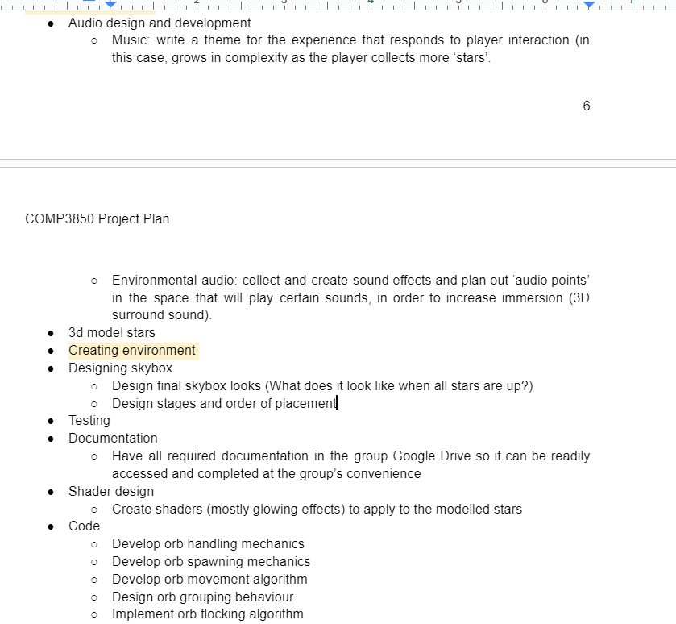
Second Sponsor Idea Review | 100%
Creative Concept | 100%
Final Idea Adjustments | 100%

 | 0%
 | 0%
 | 0%
 | 0%
 | 0%
 | 0%
 | 0%
 | 0%
 | 0%
 | 0%
 | 0%
 | 0%
 | 0%

 | 0%
 | 0%
 | 0%
 | 0%
 | 0%
 | 0%
 | 0%
 | 0%
 | 0%
 | 0%
 | 0%

 | 0%

 | 0%
 | 0%
 | 0%

